Relearns0329
AB-1 | If replacement sensors have been fitted, vehicle will need to be stationary for minimum of 15 Min.
 | Drive for 20 min. above 15Mph

AM-1 | 1. Go to dealer to use OE Tool to relearn sensors (sensors cannot be triggered by Cut Tool, only by deflation).
 | 2. If not possible to use OE tool, use manual or automatic duplication to clone OE Sensor IDs

AR-1 | Use OE scan tool

AR-2 | 1. Not TPMS sensors fitted in the car
 | 2. Check TPMS warning light
 | 3. Inflate all tyres correctly
 | 3. Turn on ignition
 | 4. Hold down RESET button until TPMS light changes the colour
 | 5. Drive until TPMS light goes out.

AR-3 | 1. Place the car for 20 min. after fitted the sensors.
 | 2. Drive above 20 mph until the new sensor IDs are learned by the car
 | 3. It should take up to 20 min.

AR-4 | 1. Drive approximately 5 km (no need to press any buttons)
 | 2. Pressure values will be shown on dashboard Infotainment System

AL-1 | With iDrive:
 | 1. Turn ignition ON, (engine off)
 | 3. Press iDrive Contr.
 | 4. Select SETTINGS
 | 5. Press iDrive
 | 6. Select CAR/TIRES
 | 7. Press iDrive Contr.
 | 8. Select TYRES: RDC
 | 9. Press iDrive Contr.
 | 10. Start engine
 | 11. Select CONFIRM TIRE PRESSURE
 | 12. Press iDrive Contr.
 | 13. Drive the vehicle
 | Without iDrive
 | 1. Start engine
 | 2. Hold turn signal until TPMS RESET
 | 3. Press button near end of lever
 | 4. Press & hold button
 | 4. Drive the vehicle

OE Sensor ID
AS-1 | 1. Park the vehicle on a level surface for minimum of 15 min.
 | 2. Adjust the tire
 | 3. Turn the ignition
 | 4. Press the button tyre pressure until a confirm is heard (TPMS) warning light
 | 5. Drive up for 20 mph over 20 min. or relearn can be completed using a properly formatted scan tool.

AS-2 | 1. This OE Sensor can only be relearned by the OE Computer.
 | 2. This OE Sensor cannot be triggered by Sensor-Aid. However, if the sensor is mounted in an inflated tire, it is possible to deflate it while the Sensor-Aid does a diagnose, and it will receive the signal and show the OE Sensor information.
 | 3. If the OE Computer is not available, the only solution is to manually duplicate the OE Sensor ID (see picture at the right indicating the position of the ID on the OE Sensor casing). Please note: the OE Sensors are color coded, so you must place the duplicated Cub sensors in the same positions as the OE Sensors. The OE Sensor colors are assigned to fixed positions, as follows: LEFT FRONT - RED (P2) RIGHT FRONT - GREEN (P1) RIGHT REAR - BLUE (P3) LEFT REAR - YELLOW (P4) The color and the position number (P1, P2, P3 or P4) are located on the label with the CE mark on the OE Sensor body. The OE stem valve also contains a strip with the respective color (so it can be seen from the outside).

Color and position
number
AU-1 | 1. Set tire pressure
 | 2. Engage Park. Brake
 | 3. Press & hold RESET until DISPLAY TYRE is display
 | 4. Press button on end of wiper lever to select SET.
 | 5. Press RESET
 | 6. Press button on end of wiper lever to select TYRE PRESSURE
 | 7. Press button on end of wiper lever to select WHEEL CHANGE(select STORE PRESSURE if resetting air)
 | 8. Select STORE PRES.
 | 9. Press RESET
 | 10. Diseng. Park. Brake
 | 11. 20 min. to complete

AU-2 | 1. Engage park. Brake
 | 2. Turn ignition ON (engine off)
 | 3. Select CAR/RESET to display TYRE PRES. MONIT. WHEEL CHANGE
 | 4. Press RESET/STORE
 | 5. Drive up to 20 mins.
 | 6. Set tire pressure

AU-3 | 1. Set tire pressure
 | 2. Engage park. Brake
 | 3. Turn ignition ON (engine off)
 | 4. Press CAR/MENU Select SYSTEMS
 | 5. Select TYRE PRESS. MONITORING
 | 6. Select INITIALISE WHEELS
 | 7. Disengs. Park. Brake
 | 8. Drive for 20 mins to complete

AU-4 | 1. Set tire pressure
 | 2. Engage Park. Brake
 | 3. Turn ignition ON position (engine off)
 | 4. Press CAR function button
 | 5. Select TYRE PRESS. MONITORING
 | 6. Select INITIALIZE WHEELS (select STORE CURRENT TYRE PRESSURES) if resetting tire.
 | 7. Diseng. Park. Brake
 | 8. 20 min. to complete
 | OR
 | 1. Read all sensor IDs
 | 2. Switch ignition ON
 | 3. Press function key "CAR"
 | 4. In "CAR" menu select "system"
 | 5. Select "Tyre monitoring"
 | 6. Select "Store/save tyre pressure" or "Tyre change"
 | 7. Drive for 15 min.

AU-5 | 1. Not TPMS sensors fitted in the car
 | 2. Check TPMS warning light
 | 3. Inflate all tyres correctly
 | 3. Turn on ignition
 | 4. Hold down RESET button until TPMS light changes the colour
 | 5. Drive until TPMS light goes out.

BE-1 | 1. Set tire pressure
 | 2. Press the VEHICLE function key on the instrument Cluster
 | 3. Drive up to 15 min.

BM-1 | With iDrive
 | 1. Turn ignition ON (engine off)
 | 2. Press iDrive Contr.
 | 3. Select SETTINGS
 | 4. Press iDrive
 | 5. Select CAR/TYRES
 | 6. Press iDrive Contr.
 | 7. Select TYRE:RDC
 | 8. Press iDrive Contr.
 | 9. Start engine
 | 10. Select Confirm TYRE PRESSURE
 | 11. Press iDrive Contr.
 | 12. Drive the vehicle
 | Without iDrive
 | 1. Start engine
 | 2. Hold turn signal until TPMS RESET
 | 3. Press button near end of lever
 | 4. Press & hold button
 | 5. Drive the vehicle

BM-2 | Without iDrive
 | 1. Read all sensor IDs
 | 2. Start engine
 | 3. Lightly push button 1 in the turn level up or down repeatedly until the corresponding symbol appears in display accompanied by the word RESET.
 | 4. Press button 2 to confirm your choice the tyre press.
 | 5. Press button 2 for approx. 5 sec.
 | 6. Drive vehicle to complete the relearn.
 | With iDrive
 | 1. Read all sensor IDs
 | 2. On iDrive control centre SETTINGS then TPM.
 | 3. Select RESET TPM.
 | 4. Start the engine but don't drive.
 | 5. Select RESET
 | 6. Drive vehicle. The tyres are shown in grey & TPM.. Is displayed.
 | If there is a resetting & applying the tyre inflation all tyres are shown in yellow on the Control Display message is displayed
 | 7. Drive the vehicle to complete the relearn.

BM-3 | 1. Start the engine but do not drive
 | 2. Press iDrive knob down once to enter Vehicle Info.
 | 3. Select Settings
 | 4. Select Vehicle
 | 5. Select TPM.
 | 6. Select Reset
 | 7. Scroll to Yes
 | 8. After selecting Yes, drive vehicle until tyres on iDrive screen turn green

BM-4 | 1. Not TPMS sensors fitted in the car
 | 2. Check TPMS warning light
 | 3. Inflate all tyres correctly
 | 3. Turn on ignition
 | 4. Hold down RESET button until TPMS light changes the colour
 | 5. Drive until TPMS light goes out.

BM-5 | With iDriver
 | Read all sensor IDs :
 | 1.Turn ignition ON position (engine
 | 2.Engage Park.Brake
 | 3.Select SETTING from I Drive menu.
 | 4. Select VEHICULE
 | 5.Select TPM
 | 6.Start engine
 | 7.Select RESET
 | 8.Diseng.Park.brake
 | 9.Drive the vehicule without iDrive:
 | 10.Turn ignition ON position (engine
 | 11.Engage Park.Brake
 | 12.Hold down TYRE PRESSURE WARNING or RDC button until TPMS telltale is illuminated.
 | 13.Diseng.Park.brake
 | 14.Drive the vehicule

 | Without iDrive:
 | 1.Turn ignition ON position (engine
 | 2.Engage Park.Brake
 | 3.Hold down TYRE PRESSURE WARNING or RDC button until TPMS telltale is illuminated.
 | 4.Diseng.Park.brake
 | 5.Drive the vehicule

BM-6 | With iDrive:
 | 1. Turn Ignition ON
 | 2. Select “Vehicle Info”in the menu.
 | 3. Select "Vehicle Status" and press Enter
 | 4. Select "Perform reset" and press Enter
 | 5. Confirm Perform reset
 | 6. Start engine and driving till Resetting tire pressure 100%
 | 7. Pop up tyre pressure values when Reset successful.

BM-7 | 1. Start the engine but do not drive
 | 2. Press iDrive knob down once to enter Vehicle Info.
 | 3. Select "Vehicle status"
 | 4. Select "Initialise Tyre Pressure"
 | 5. Select "Initialise Tyre Pressure" again
 | 6. Scroll to OK
 | 7. After selecting OK, drive vehicle until Active pops up.

BU-1 | 1. Inflate tyres to correct pressure
 | 2. Turn Ignition ON
 | 3. Press INFO button on DIC until LEARN TIRE POSITIONS appears
 | 4. Press SET/RESET
 | 5. Horn sound twice
 | 6. Use tools to activate LF sensor
 | 7. Continue with RF,RR and LR
 | 8. Horn sounds twice at LR to indicate complete
 | 9. Turn ignition OFF

CD-1 | 1. inflate all tires
 | 2. Apply parking brake
 | 3. Turn ignition ON
 | 4. Make sure in Setting Menu tire info display menu is turned on
 | 5. Select Tire Press. Using control on the right side of the steering wheel
 | 6. Press & hold SET button in center of DIC control until Horn sounds twice.
...

CUB_IAN_European_V1.37_170331
...
 |  | CUB TPMS Application Chart - European Market
EAN CODE | MAKE | MODEL | Model code | Start Year | End Year | Cub Part# | SCHRADER Sensor Part# (NEW) | OEM Sensor Part# | Manufacturer Sensor # | Number on Sensor # | Relearn Type (For reference only) | OBD II (CUB Module SUPPORT) | Autogem OBD | OBD Port Location | T.A.L
4712946989016 | VOLVO | V90 | P | 09/2016 | 12/2017 | 62197 | 3069 | 31362304 |  |  | A (VO-1) |  |  | 2
4712946987067 | VOLVO | XC60 | D | 05/2008 | 06/2014 | 62128 | 4021 | 31302096 | S180084730Z | S180052020 | A (VO-1)
4712946987074 | VOLVO | XC60 | D | 07/2014 | 12/2016 | 62186 | 4070 | 31341893/ 31341171/ 31414189 |  | S180052050C | A
4712946987081 | VOLVO | XC70 | S | 05/2007 | 12/2007 | 62112 | 3046 | 30748354 | 90518149 | 30748354 | A (VO-1) |  |  | 2
4712946987098 | VOLVO | XC70 | B | 01/2008 | 06/2014 | 62128 | 4021 | 31302096 | S180084730Z | S180052020 | A (VO-1)
4712946987104 | VOLVO | XC70 | B | 07/2014 | 06/2016 | 62186 | 4070 | 31341893/ 31341171/ 31414189 |  | S180052050C | A/O | Y |  | 2
4712946987111 | VOLVO | XC90 | C | 04/2002 | 12/2014 | 62112 | 3046 | 31329981/ 30748354 | 90518149 | 31329981/ 30748354 | A (VO-1)
4712946987326 | VOLVO | XC90 | L | 01/2015 | 06/2017 | 62197 | 3069 | 31362304 |  |  | A (VO-1)/O | Y |  | 2

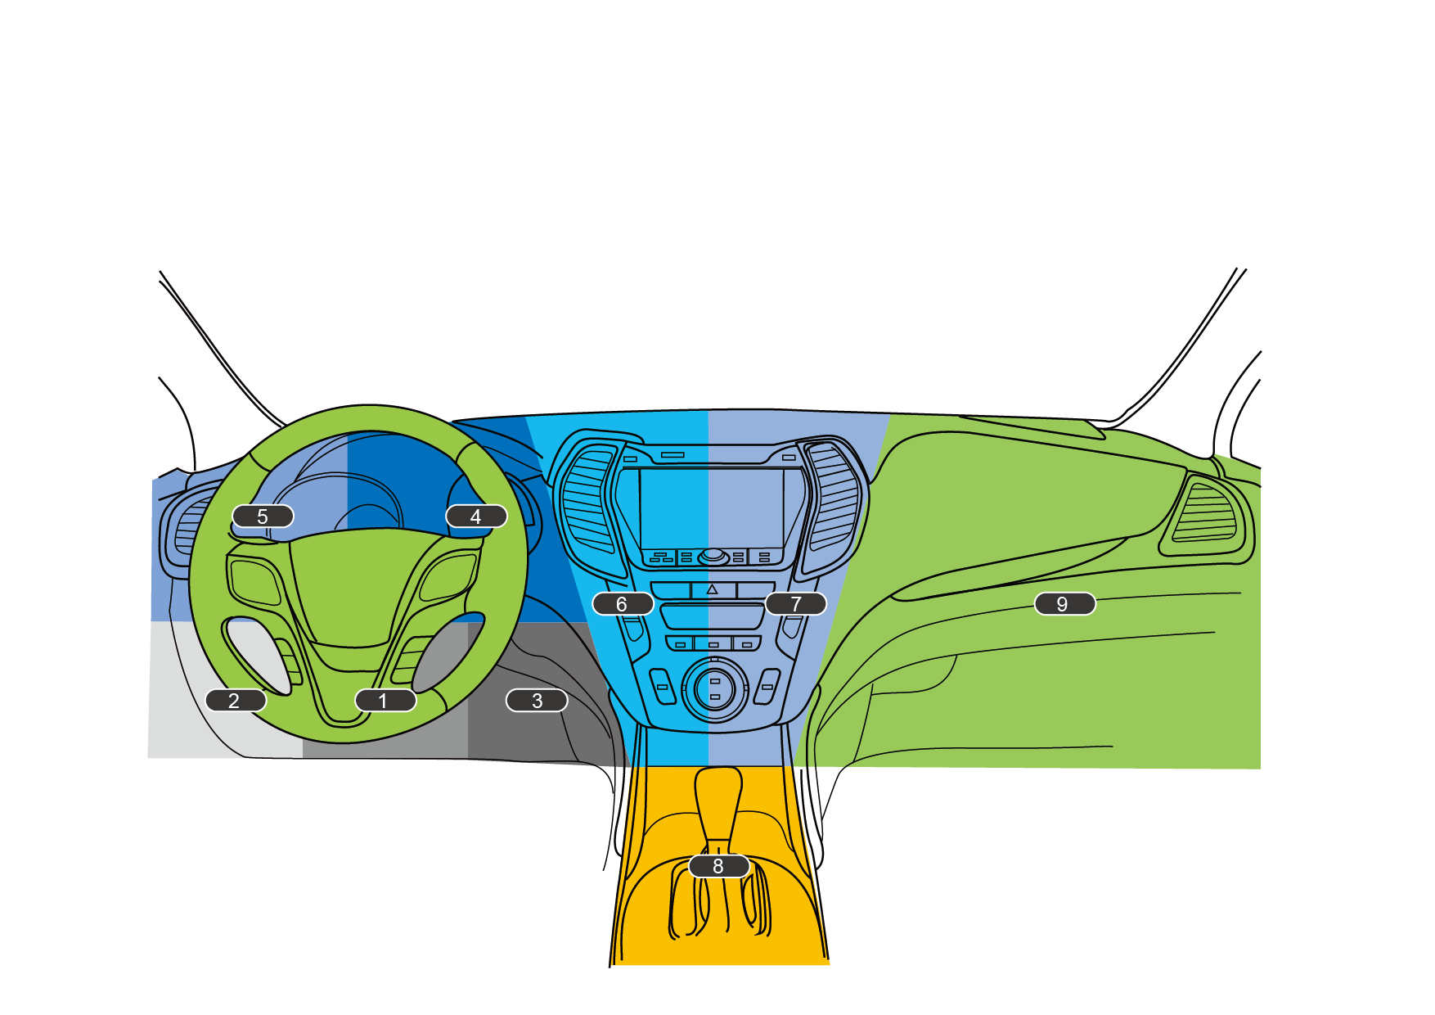
 | # : If the sensor can’t be programmed, please contact your dealer directly.
 | The Information in this document is believed to be accurate. CUB Incorporated is not responsible for any incorrect information contained in this document.
 | Relearn type:
 | A:Auto relearn,O:OBDII releran,S: Stationery relearn
 | OBD Port Location:

 | 1. Underneath the Steering Wheel, center
 | 2. Underneath the Steering Wheel, left
 | 3. Underneath the Steering Wheel, right
 | 4. On Dashboard, right of steering wheel
 | 5.On Dashboard, left of steering wheel
 | 6.On Dashboard central column, left
 | 7.On Dashboard central column, right side
 | 8.Underneath the Handrest/ Gear shift area
 | 9.Inside Drawer

